Excel Interface
Quick Access Toolbar
File Name
Excel Search
₹ 0.00

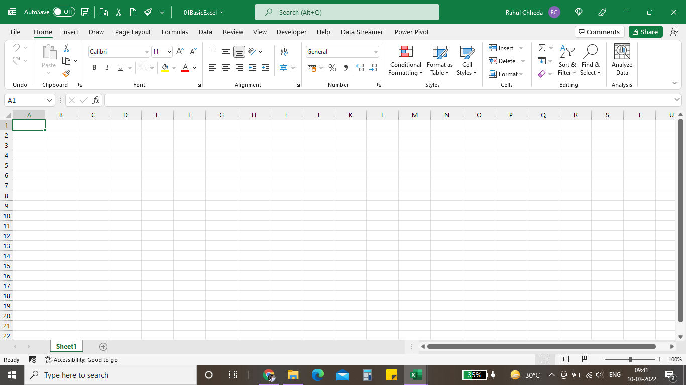
Tabs

Ribbon
Name box

Column Alphabets

Row Numbers
Formula Bar

Worksheet

Worksheet
Name

Normal View

Click + to add new Worksheet
Page Layout
zoom in zoom out
Page break preview

Nested_Vlookup_Data
Nested VlOOK- UP:
The nested VLOOKUP allows user to get value from a lookup(main) table, even when we don't have a direct relation to the main table.
Employee Name | Designation | Department | Location
Amarjeet Singh | Executive | Quality | Delhi
Sachin Kumar Sharma | Manager | Sales | Noida
Mohit Malik | Sr. Manager | Finance | Delhi
Deepak Sharma | AVP | Quality | Gurgaon
Kratika Bhatnagar | Executive | Operation | Mumbai
Amarjeet Singh | Executive | Quality | Delhi
Asif Khan | Manager | HR | Mumbai
Ajaj Kumar Rana | Asst. Manager | Finance | Noida
Aakash Bhutani | Sr. Executive | Sales | Gurgaon
Vivek Pant | Trainee | Operation | Ghaziabad

 | =VLOOKUP(VLOOKUP(B3,E_Name,2,0),E_Designation,2,0)
 | =VLOOKUP(VLOOKUP(B4,E_Name,2,0),E_Designation,2,0)
 | =VLOOKUP(VLOOKUP(B3,E_Name,2,0),E_Department,2,0)

